Run #1
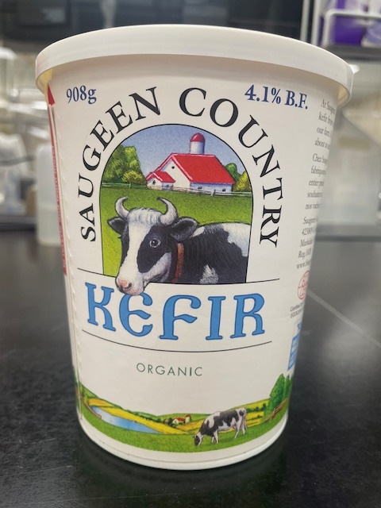
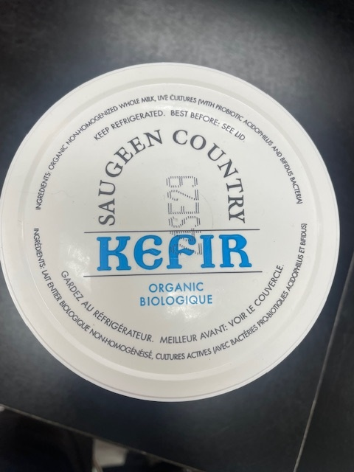
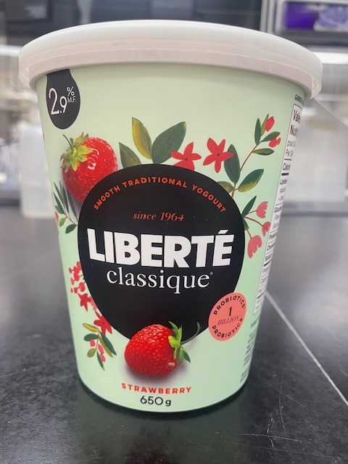

Status : | Approved
Category : | Dairy |  |  |  |  |  |  |  | Results summary |  |  |  |  |  |  |  |  |  |  |  |  |  | Broth screening qPCR results |  |  |  |  |  |  |  |  |  | Pool screening results |  |  |  |  |  |  |  |  |  |  |  |  | Colony screening result - VT |  |  |  |  |  |  |  |  |  |  |  |  |  |  |  |  |  |  |  |  |  | CF qPCR result |  |  |  |  | VITEK
Type : | Fermented
Food items : | Liberté Classique raspberry yogurt 2.9% M.F.; Saugeen Country organic kefir 4.1% M.F.
Incub. Time : | 24 hr |  |  |  |  |  |  |  |  |  |  |  |  |  |  |  |  |  |  |  |  |  |  |  |  |  |  |  |  |  |  |  |  |  |  |  |  |  |  |  |  |  |  |  |  | Run #1 |  |  |  |  |  |  |  |  |  |  |  | Run #2
 |  |  |  |  |  |  |  |  |  |  |  | vt qPCR |  |  |  |  |  |  | Confirmation of neg. Samples |  | Sample Status |  | SGIL | Instagene (1) |  | PureGene (2) |  |  |  |  |  |  | SGIL | Pool #1 - Rainbow |  | Pool #2 - Rainbow |  | Pool #3 - Rainbow |  | Pool #4 Rainbow |  | Pool #5 - Rainbow |  | Pool #6 Rainbow |  | SGIL | Pool | Colony 1 |  | Colony 2 |  | Colony 3 |  | Colony 4 |  | Colony 5 |  | Colony 6 |  | Colony 7 |  | Colony 8 |  | Colony 9 |  | Colony 10 |  | SGIL | Pool | Colony | CF qPCR |  | SGIL | Pool | Colony | Identification
Sample Details |  |  |  |  |  |  |  |  | SGIL | Matrix | Level | Broth - Insta | Broth - Pgene | Pools | Colonies | CF qPCR | VITEK | Method result | Rainb. plate sweep | MAC-T investig. | Broth screening | Isolation |  | FAM | HEX | FAM | HEX |  |  |  |  |  |  | FAM | HEX | FAM | HEX | FAM | HEX | FAM | HEX | FAM | HEX | FAM | HEX |  |  | FAM | HEX | FAM | HEX | FAM | HEX | FAM | HEX | FAM | HEX | FAM | HEX | FAM | HEX | FAM | HEX | FAM | HEX | FAM | HEX |  |  |  | FAM | HEX
Date of spiking |  |  |  | 2024-09-06 |  |  |  |  | 2024-02144 | Yogurt | Negative | - | - | n/a | n/a | n/a | n/a | Negative | n/a | n/a | TN | TN | 2024-02144 | No amp. | 29.0 | No amp. | 29.2 |  | Mean Ct - Unspiked |  |  |  | 2024-02144 |  |  |  |  |  |  |  |  |  |  |  |  | 2024-02144 | n/a |  |  |  |  |  |  |  |  |  |  |  |  |  |  |  |  |  |  |  |  | 2024-02144 |  |  |  |  | 2024-02144 | - | -
Analysis start date |  |  |  | 2024-09-09 |  |  |  |  | 2024-02145 | Yogurt | Negative | - | - | n/a | n/a | n/a | n/a | Negative | n/a | n/a | TN | TN | 2024-02145 | No amp. | 29.5 | No amp. | 29.1 |  | Instagene |  | PureGene |  | 2024-02145 |  |  |  |  |  |  |  |  |  |  |  |  | 2024-02145 | n/a |  |  |  |  |  |  |  |  |  |  |  |  |  |  |  |  |  |  |  |  | 2024-02145 |  |  |  |  | 2024-02145 | - | -
Sample Size |  |  |  | 25 g |  |  |  |  | 2024-02146 | Yogurt | Negative | - | - | n/a | n/a | n/a | n/a | Negative | n/a | n/a | TN | TN | 2024-02146 | No amp. | 29.8 | No amp. | 29.0 |  | FAM | HEX | FAM | HEX | 2024-02146 |  |  |  |  |  |  |  |  |  |  |  |  | 2024-02146 | n/a |  |  |  |  |  |  |  |  |  |  |  |  |  |  |  |  |  |  |  |  | 2024-02146 |  |  |  |  | 2024-02146 | - | -
Yogurt background microflora concentration |  |  |  | 7.0E+07 CFU/g |  |  |  |  | 2024-02147 | Kefir | Negative | - | - | n/a | n/a | n/a | n/a | Negative | n/a | n/a | TN | TN | 2024-02147 | No amp. | 29.1 | No amp. | 29.2 | Yogurt | n/a | 29.4 | n/a | 29.1 | 2024-02147 |  |  |  |  |  |  |  |  |  |  |  |  | 2024-02147 | n/a |  |  |  |  |  |  |  |  |  |  |  |  |  |  |  |  |  |  |  |  | 2024-02147 |  |  |  |  | 2024-02147 | - | -
Kefir background microflora concentration |  |  |  | 2.9E+04 CFU/g |  |  |  |  | 2024-02148 | Kefir | Negative | - | - | n/a | n/a | n/a | n/a | Negative | n/a | n/a | TN | TN | 2024-02148 | No amp. | 29.2 | No amp. | 29.1 | Kefir | n/a | 29.2 | n/a | 29.2 | 2024-02148 |  |  |  |  |  |  |  |  |  |  |  |  | 2024-02148 | n/a |  |  |  |  |  |  |  |  |  |  |  |  |  |  |  |  |  |  |  |  | 2024-02148 |  |  |  |  | 2024-02148 | - | -
Method used to determine sample background microflora |  |  |  | MFHPB-18 : PCA, 35°C, 48h |  |  |  |  | 2024-02149 | Yogurt | 0.9 CFU/25 g | + | + | + | + | - | E. coli | Positive | n/a | n/a | TP | TP | 2024-02149 | 19.3 | 29.7 | 17.7 | 31.0 |  |  |  |  |  | 2024-02149 | 16.5 | 29.0 | 16.1 | 29.4 |  |  |  |  |  |  |  |  | 2024-02149 | 1 | 16.0 | 30.4 | 14.8 | 30.3 | 15.4 | 30.4 | 15.5 | 30.0 | 15.6 | 30.6 |  |  |  |  |  |  |  |  |  |  | 2024-02149 | 1 | 1 | No amp. | 29.7 | 2024-02149 | 1 | 1 | Escherichia coli
 |  |  |  |  |  |  |  |  | 2024-02150 | Yogurt | 0.9 CFU/25 g | + | + | + | + | - | E. coli | Positive | n/a | n/a | TP | TP | 2024-02150 | 18.2 | 29.5 | 16.9 | 32.3 |  |  |  |  |  | 2024-02150 | 16.7 | 29.3 | 16.2 | 29.1 |  |  |  |  |  |  |  |  | 2024-02150 | 1 | 15.8 | 29.8 | 17.1 | 30.1 | 18.2 | 29.1 | 15.7 | 29.2 | 15.7 | 29.6 |  |  |  |  |  |  |  |  |  |  | 2024-02150 | 1 | 1 | No amp. | 29.7 | 2024-02150 | 1 | 1 | Escherichia coli
Inoculum Details |  |  |  |  |  |  |  |  | 2024-02151 | Yogurt | 0.9 CFU/25 g | + | + | + | + | - | E. coli | Positive | n/a | n/a | TP | TP | 2024-02151 | 19.4 | 29.2 | 22.5 | 29.4 |  |  |  |  |  | 2024-02151 | 16.1 | 28.9 | 16.3 | 29.0 |  |  |  |  |  |  |  |  | 2024-02151 | 1 | 14.8 | 30.3 | 15.2 | 30.8 | 14.9 | 31.4 | 15.4 | 30.6 | 14.9 | 30.4 |  |  |  |  |  |  |  |  |  |  | 2024-02151 | 1 | 1 | No amp. | 29.7 | 2024-02151 | 1 | 1 | Escherichia coli
Strain ID |  |  |  | BMH-19-0006 (vtx2d) |  |  |  |  | 2024-02152 | Yogurt | 0.9 CFU/25 g | + | + | + | + | - | E. coli | Positive | n/a | n/a | TP | TP | 2024-02152 | 19.4 | 29.0 | 16.9 | 30.8 |  |  |  |  |  | 2024-02152 | 16.4 | 28.8 | 16.6 | 29.0 |  |  |  |  |  |  |  |  | 2024-02152 | 1 | 15.6 | 30.5 | 15.2 | 31.2 | 15.2 | 30.2 | 15.1 | 30.4 | 15.2 | 30.4 |  |  |  |  |  |  |  |  |  |  | 2024-02152 | 1 | 1 | No amp. | 29.8 | 2024-02152 | 1 | 1 | Escherichia coli
Strain source (time of isolation, source commodity, geographic region of origin) |  |  |  | Raw milk cheese |  |  |  |  | 2024-02153 | Yogurt | 0.9 CFU/25 g | + | + | + | + | - | E. coli | Positive | n/a | n/a | TP | TP | 2024-02153 | 19.7 | 29.1 | 22.6 | 29.1 |  |  |  |  |  | 2024-02153 | 16.2 | 28.5 | 16.6 | 28.7 |  |  |  |  |  |  |  |  | 2024-02153 | 1 | 15.2 | 30.2 | 16.2 | 30.1 | 15.6 | 30.3 | 15.4 | 30.8 | 14.8 | 30.6 |  |  |  |  |  |  |  |  |  |  | 2024-02153 | 1 | 1 | No amp. | 29.6 | 2024-02153 | 1 | 1 | Escherichia coli
Concentration of inoculum, volume used to spike: |  |  |  | Target = 1 CFU/100 µl; Actual = 0.9 CFU/100 µL |  |  |  |  | 2024-02154 | Yogurt | 0.9 CFU/25 g | - | - | - | n/a | n/a | n/a | Negative | n/a | n/a | TN | TN | 2024-02154 | No amp. | 29.2 | No amp. | 29.1 |  |  |  |  |  | 2024-02154 | No amp. | 27.8 | No amp. | 27.9 |  |  |  |  |  |  |  |  | 2024-02154 | n/a |  |  |  |  |  |  |  |  |  |  |  |  |  |  |  |  |  |  |  |  | 2024-02154 |  |  |  |  | 2024-02154 | - | -
Method used to determine spiking concentration: |  |  |  | Plating onto TSA, 20 replicates, 35 °C, 18-24 h |  |  |  |  | 2024-02155 | Yogurt | 0.9 CFU/25 g | + | + | + | + | - | E. coli | Positive | n/a | n/a | TP | TP | 2024-02155 | 18.8 | 29.1 | 18.1 | 32.0 |  |  |  |  |  | 2024-02155 | 16.1 | 28.7 | 15.9 | 29.1 |  |  |  |  |  |  |  |  | 2024-02155 | 1 | 16.2 | 29.5 | 16.0 | 29.3 | 15.2 | 30.4 | 15.2 | 30.8 | 15.4 | 30.6 |  |  |  |  |  |  |  |  |  |  | 2024-02155 | 1 | 1 | No amp. | 29.8 | 2024-02155 | 1 | 1 | Escherichia coli
Equilibration conditions: |  |  |  | 2-8 °C, 3 days |  |  |  |  | 2024-02156 | Yogurt | 0.9 CFU/25 g | - | - | n/a | n/a | n/a | n/a | Negative | n/a | n/a | TN | TN | 2024-02156 | No amp. | 29.2 | No amp. | 29.1 |  |  |  |  |  | 2024-02156 |  |  |  |  |  |  |  |  |  |  |  |  | 2024-02156 | n/a |  |  |  |  |  |  |  |  |  |  |  |  |  |  |  |  |  |  |  |  | 2024-02156 |  |  |  |  | 2024-02156 | - | -
 |  |  |  |  |  |  |  |  | 2024-02157 | Yogurt | 0.9 CFU/25 g | + | + | + | + | - | E. coli | Positive | n/a | n/a | TP | TP | 2024-02157 | 27.1 | 29.2 | 25.4 | 28.9 |  |  |  |  |  | 2024-02157 | 16.5 | 27.8 |  |  |  |  |  |  |  |  |  |  | 2024-02157 | 1 | 15.2 | 31.2 | 15.0 | 29.0 | 15.3 | 30.8 | 15.9 | 30.0 | 14.8 | 31.4 |  |  |  |  |  |  |  |  |  |  | 2024-02157 | 1 | 1 | No amp. | 29.7 | 2024-02157 | 1 | 1 | Escherichia coli
Was the inoculum stressed? |  |  |  |  |  | No |  |  | 2024-02158 | Yogurt | 0.9 CFU/25 g | - | - | n/a | n/a | n/a | n/a | Negative | n/a | n/a | TN | TN | 2024-02158 | No amp. | 29.2 | No amp. | 29.1 |  |  |  |  |  | 2024-02158 |  |  |  |  |  |  |  |  |  |  |  |  | 2024-02158 | n/a |  |  |  |  |  |  |  |  |  |  |  |  |  |  |  |  |  |  |  |  | 2024-02158 |  |  |  |  | 2024-02158 | - | -
Stressing Conditions: |  |  |  | n/a |  |  |  |  | 2024-02159 | Kefir | 0.9 CFU/25 g | + | + | + | + | - | E. coli | Positive | n/a | n/a | TP | TP | 2024-02159 | 15.9 | 30.0 | 15.9 | 34.5 |  |  |  |  |  | 2024-02159 | 16.6 | 29.1 | 17.2 | 27.8 |  |  |  |  |  |  |  |  | 2024-02159 | 1 | 15.2 | 31.2 | 15.1 | 30.9 | 15.2 | 31.4 | 15.6 | 30.3 | 15.8 | 30.1 |  |  |  |  |  |  |  |  |  |  | 2024-02159 | 1 | 1 | No amp. | 29.8 | 2024-02159 | 1 | 1 | Escherichia coli
Stress level: |  |  |  | n/a |  |  |  |  | 2024-02160 | Kefir | 0.9 CFU/25 g | - | - | n/a | n/a | n/a | n/a | Negative | n/a | n/a | TN | TN | 2024-02160 | No amp. | 28.8 | No amp. | 29.0 |  |  |  |  |  | 2024-02160 |  |  |  |  |  |  |  |  |  |  |  |  | 2024-02160 | n/a |  |  |  |  |  |  |  |  |  |  |  |  |  |  |  |  |  |  |  |  | 2024-02160 |  |  |  |  | 2024-02160 | - | -
How was the stress level determined? (Please include counts and agar choices) |  |  |  | n/a |  |  |  |  | 2024-02161 | Kefir | 0.9 CFU/25 g | - | - | n/a | n/a | n/a | n/a | Negative | n/a | n/a | TN | TN | 2024-02161 | No amp. | 29.0 | No amp. | 29.0 |  |  |  |  |  | 2024-02161 |  |  |  |  |  |  |  |  |  |  |  |  | 2024-02161 | n/a |  |  |  |  |  |  |  |  |  |  |  |  |  |  |  |  |  |  |  |  | 2024-02161 |  |  |  |  | 2024-02161 | - | -
 |  |  |  |  |  |  |  |  | 2024-02162 | Kefir | 0.9 CFU/25 g | - | - | n/a | n/a | n/a | n/a | Negative | n/a | n/a | TN | TN | 2024-02162 | No amp. | 29.2 | No amp. | 29.3 |  |  |  |  |  | 2024-02162 |  |  |  |  |  |  |  |  |  |  |  |  | 2024-02162 | n/a |  |  |  |  |  |  |  |  |  |  |  |  |  |  |  |  |  |  |  |  | 2024-02162 |  |  |  |  | 2024-02162 | - | -
Was a Co-Inoculum Used? |  |  |  |  |  | No |  |  | 2024-02163 | Kefir | 0.9 CFU/25 g | + | + | + | + | - | E. coli | Positive | n/a | n/a | TP | TP | 2024-02163 | 16.2 | 29.7 | 17.1 | 30.7 |  |  |  |  |  | 2024-02163 | 16.3 | 28.3 | 16.6 | 29.0 |  |  |  |  |  |  |  |  | 2024-02163 | 1 | 15.6 | 31.0 | 15.9 | 30.1 | 15.9 | 30.8 | 17.7 | 29.3 | 16.1 | 29.7 |  |  |  |  |  |  |  |  |  |  | 2024-02163 | 1 | 1 | No amp. | 29.9 | 2024-02163 | 1 | 1 | Escherichia coli
Strain ID of co-inoculum: |  |  |  | n/a |  |  |  |  | 2024-02164 | Kefir | 0.9 CFU/25 g | - | - | n/a | n/a | n/a | n/a | Negative | n/a | n/a | TN | TN | 2024-02164 | No amp. | 29.2 | No amp. | 29.1 |  | Mean Ct - Low level |  |  |  | 2024-02164 |  |  |  |  |  |  |  |  |  |  |  |  | 2024-02164 | n/a |  |  |  |  |  |  |  |  |  |  |  |  |  |  |  |  |  |  |  |  | 2024-02164 |  |  |  |  | 2024-02164 | - | -
Strain source |  |  |  | n/a |  |  |  |  | 2024-02165 | Kefir | 0.9 CFU/25 g | - | - | n/a | n/a | n/a | n/a | Negative | n/a | n/a | TN | TN | 2024-02165 | No amp. | 29.2 | No amp. | 29.2 |  | Instagene |  | PureGene |  | 2024-02165 |  |  |  |  |  |  |  |  |  |  |  |  | 2024-02165 | n/a |  |  |  |  |  |  |  |  |  |  |  |  |  |  |  |  |  |  |  |  | 2024-02165 |  |  |  |  | 2024-02165 | - | -
Where all spiked samples co-inoculated? |  |  |  | n/a |  |  |  |  | 2024-02166 | Kefir | 0.9 CFU/25 g | - | - | n/a | n/a | n/a | n/a | Negative | n/a | n/a | TN | TN | 2024-02166 | No amp. | 28.8 | No amp. | 29.0 |  | FAM | HEX | FAM | HEX | 2024-02166 |  |  |  |  |  |  |  |  |  |  |  |  | 2024-02166 | n/a |  |  |  |  |  |  |  |  |  |  |  |  |  |  |  |  |  |  |  |  | 2024-02166 |  |  |  |  | 2024-02166 | - | -
Concentration of inoculum, volume used to spike: |  |  |  | n/a |  |  |  |  | 2024-02167 | Kefir | 0.9 CFU/25 g | - | - | n/a | n/a | n/a | n/a | Negative | n/a | n/a | TN | TN | 2024-02167 | No amp. | 29.2 | No amp. | 29.3 | Yogurt | 20.3 | 29.2 | 20.0 | 30.1 | 2024-02167 |  |  |  |  |  |  |  |  |  |  |  |  | 2024-02167 | n/a |  |  |  |  |  |  |  |  |  |  |  |  |  |  |  |  |  |  |  |  | 2024-02167 |  |  |  |  | 2024-02167 | - | -
Stressing conditions (if applicable): |  |  |  | n/a |  |  |  |  | 2024-02168 | Kefir | 0.9 CFU/25 g | + | + | + | + | - | E. coli | Positive | n/a | n/a | TP | TP | 2024-02168 | 16.1 | 30.5 | 15.5 | 33.3 | Kefir | 16.1 | 29.4 | 16.1 | 30.2 | 2024-02168 | 17.5 | 28.6 | 15.9 | 28.5 |  |  |  |  |  |  |  |  | 2024-02168 | 1 | 16.2 | 29.9 | 16.0 | 29.9 | 16.2 | 31.1 | 14.9 | 32.4 | 15.1 | 31.2 |  |  |  |  |  |  |  |  |  |  | 2024-02168 | 1 | 1 | No amp. | 29.6 | 2024-02168 | 1 | 1 | Escherichia coli
Stress level (if applicable): |  |  |  | n/a |  |  |  |  |  |  |  |  |  |  |  |  |  |  |  |  |  |  | CP | 17.7 | 28.3 | 17.8 | 29.2 |  |  |  |  |  | CP | 19.6 | 27.2 | 18.8 | 27.5 |  |  |  |  |  |  |  |  | CP | - | 16.4 | 29.3 |  |  |  |  |  |  |  |  |  |  |  |  |  |  |  |  |  |  | CP | - | - | 12.9 | No amp.
How was the stress level determined? (Please include counts and agar choices) (if applicable) |  |  |  | n/a |  |  |  |  |  |  |  |  |  |  |  |  |  |  |  |  |  |  | CN | No amp. | 29.3 | No amp. | 29.4 |  |  |  |  |  | CN | No amp. | 28.1 | No amp. | 28.4 | No amp. | 27.9 | No amp. | 28.1 | No amp. | 27.9 | No amp. | 28.2 | CN | - | No amp. | 29.3 |  |  |  |  |  |  |  |  |  |  |  |  |  |  |  |  |  |  | CN | - | - | No amp. | 29.7
 |  |  |  |  |  |  |  |  |  |  |  |  |  |  |  |  |  |  |  |  |  |  | CS | No amp. | 28.9 | No amp. | 29.4 |  |  |  |  |  | NTC | No amp. | 28.1 |  |  |  |  |  |  |  |  |  |  | NTC | - | No amp. | 29.0 |  |  |  |  |  |  |  |  |  |  |  |  |  |  |  |  |  |  | NTC | - | - | No amp. | 29.0
PREPARATION OF INOCULUM |  |  |  |  |  |  |  |  |  |  |  |  |  |  |  |  |  |  |  |  |  |  | NTC | No amp. | 29.1 | No amp. | 29.2 |  |  |  |  |  | Raw data file : 20240912_104204_CT036336_VT et CF.pcrd |  |  |  |  |  |  |  |  |  |  |  |  | Raw data file : 20240912_124513_CT036336_VT et CF.pcrd |  |  |  |  |  |  |  |  |  |  |  |  |  |  |  |  |  |  |  |  |  | Raw data file : 20240916_110342_CT036336_VT et CF.pcrd
VTEC E. coli BMH-19-0006 |  |  |  |  |  |  |  |  |  |  |  |  |  |  |  |  |  |  |  |  |  |  | Raw data file : 20240911_152129_CT036336_VT et CF.pcrd |  |  |  |  |  |  |  |  |  | Note 1 : no colonies grew on MAC-T; all pools from Rainbow
Plating (TSA) : | 2024-09-05 |  |  |  |  |  |  |  | Screening | TP | TN | FP | FN |  | Sensitivity | 100% |  |  |  |  |  |  |  |  |  |  |  |  |  |  |  |  | Note 2 : no colony grew on plates from broth-negative samples, except 2024-02154 (a few very small white colonies, none typical of E. coli, all negative upon PCR testing)
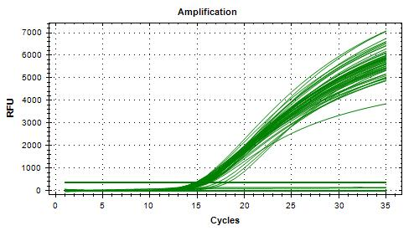
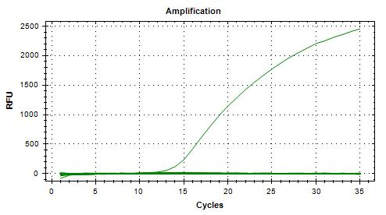
Reading : | 2024-09-06 |  |  |  |  |  |  |  | Unspiked | 0 | 5 | 0 | 0 |  | Specificity | 100%
Volume / plate : | 100 µL |  |  |  |  |  |  |  | Spiked | 10 | 10 | 0 | 0 |  | FN rate | 0%
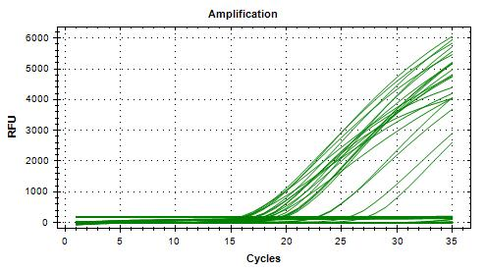
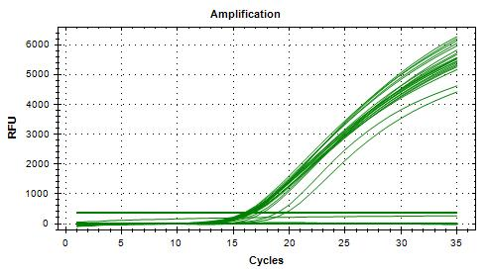
 |  |  |  |  |  |  |  |  |  | 10 | 15 | 0 | 0 |  | FP rate | 0%
Dilution | Rep 1 | Rep 2 | CFU/mL |  |  |  |  |  |  |  |  |  |  |  | Agreement | 100%
1.0E-04 | > 300 | > 300 | 6000
1.0E-05 | 64 | 56 | 600
1.0E-06 | 6 | 4 | 60 | >> 1.7 mL + 8.3 mL H2Op = 1 CFU/100 µL |  |  |  |  | Isolation | TP | TN | FP | FN |  | Sensitivity | 100%
Dilution in bold used for calculations |  |  |  |  |  |  |  |  | Unspiked | 0 | 5 | 0 | 0 |  | Specificity | 100%
 |  |  |  |  |  |  |  |  | Spiked | 10 | 10 | 0 | 0 |  | FN rate | 0%
 |  |  |  |  |  |  |  |  |  | 10 | 15 | 0 | 0 |  | FP rate | 0%
 |  |  |  |  |  |  |  |  |  |  |  |  |  |  | Agreement | 100%

VERIFICATION OF FINAL INOCULUM |  |  |  |  |  |  |  |  |  |  |  |  |  |  |  |  |  |  |  |  |  |  |  |  |  |  |  |  |  |  |  |  |  |  |  |  |  |  |  |  |  |  |  |  |  | 20240912_124513_CT036336_VT et CF |  |  |  |  |  |  |  |  |  |  |  |  |  |  |  |  |  |  |  |  |  | 20240916_110342_CT036336_VT et CF
VTEC E. coli BMH-19-0006 |  |  | CFU/plate |  |  |  |  |  |  |  |  |  |  |  |  |  |  |  |  |  |  |  | 20240911_152129_CT036336_VT et CF |  |  |  |  |  |  |  |  |  | 20240912_104204_CT036336_VT et CF
Plating (TSA) : | 2024-09-06 |  | 1 | 1 | 0 | 0 | Mean : | 0.9 | << Actual spiking level (target)
Reading : | 2024-09-07 |  | 1 | 1 | 0 | 0 | POS : | 12 | << 60%
Volume / plate : | 100 µL |  | 2 | 1 | 0 | 0 | NEG : | 8 | << 40%
 |  |  | 4 | 2 | 0 | 1
 |  |  | 1 | 1 | 0 | 2

BACKGROUND MICROFLORA (MFHPB-18)
Liberté Classique Strawberry yogurt
Plating (PCA) : | 2024-09-09
Reading : | 2024-09-11
Volume / plate : | 1 mL

Dilution | Rep 1 | Rep 2 | CFU/g
1.0E-01 | TNTC | TNTC
1.0E-02 | TNTC | TNTC
1.0E-03 | TNTC | TNTC
1.0E-04 | TNTC | TNTC
1.0E-05 | TNTC | TNTC
1.0E-06 | 73 | 67 | 7.00E+07
1.0E-07 | 5 | 7
Dilution in bold used for calculations

Saugeen Country Organic Kefir
Plating (PCA) : | 2024-09-09
Reading : | 2024-09-11
Volume / plate : | 1 mL

Dilution | Rep 1 | Rep 2 | CFU/g
1.0E-01 | TNTC | TNTC
1.0E-02 | 296 | 292 | 2.9E+04
1.0E-03 | 32 | 27
1.0E-04 | 4 | 4
1.0E-05 | 2 | 0
1.0E-06 | 0 | 0
1.0E-07 | 0 | 0
Dilution in bold used for calculations

Run #2
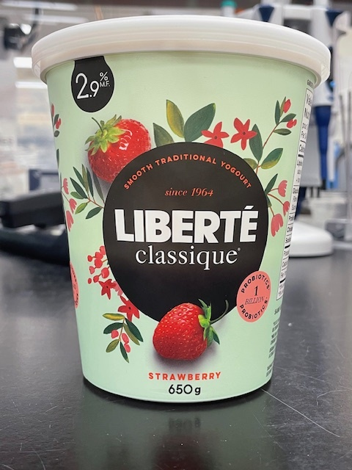

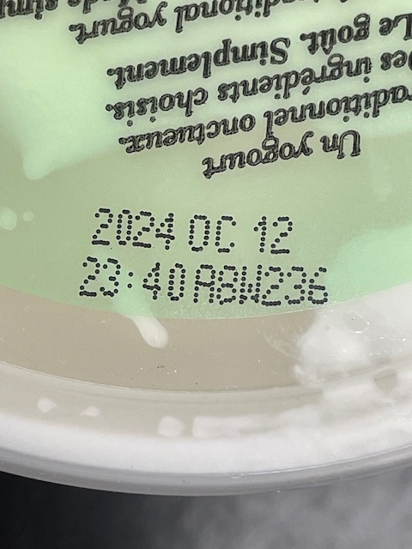
Status : | Approved
Category : | Dairy |  |  |  |  |  |  |  | Results summary |  |  |  |  |  |  |  |  |  |  |  |  |  | Broth screening qPCR results |  |  |  |  |  |  |  |  |  | Pool screening results |  |  |  |  |  |  |  |  |  |  |  |  | Colony screening result - VT |  |  |  |  |  |  |  |  |  |  |  |  |  |  |  |  |  |  |  |  |  | CF qPCR result |  |  |  |  | VITEK
Type : | Fermented
Food items : | Liberté Classique raspberry yogurt 2.9% M.F.; Saugeen Country organic kefir 4.1% M.F.
Incub. Time : | 18 hr |  |  |  |  |  |  |  |  |  |  |  |  |  |  |  |  |  |  |  |  |  |  |  |  |  |  |  |  |  |  |  |  |  |  |  |  |  |  |  |  |  |  |  |  | Run #1 |  |  |  |  |  |  |  |  |  |  |  | Run #2
 |  |  |  |  |  |  |  |  |  |  |  | vt qPCR |  |  |  |  |  |  | Confirmation of neg. Samples |  | Sample Status |  | SGIL | Instagene (1) |  | PureGene (2) |  |  |  |  |  |  | SGIL | Pool #1 - Rainbow |  | Pool #2 - Rainbow |  | Pool #3 - Rainbow |  | Pool #4 Rainbow |  | Pool #5 - Rainbow |  | Pool #6 Rainbow |  | SGIL | Pool | Colony 1 |  | Colony 2 |  | Colony 3 |  | Colony 4 |  | Colony 5 |  | Colony 6 |  | Colony 7 |  | Colony 8 |  | Colony 9 |  | Colony 10 |  | SGIL | Pool | Colony | CF qPCR |  | SGIL | Pool | Colony | Identification
Sample Details |  |  |  |  |  |  |  |  | SGIL | Matrix | Level | Broth - Insta | Broth - Pgene | Pools | Colonies | CF qPCR | VITEK | Method result | Rainb. plate sweep | MAC-T investig. | Broth screening | Isolation |  | FAM | HEX | FAM | HEX |  |  |  |  |  |  | FAM | HEX | FAM | HEX | FAM | HEX | FAM | HEX | FAM | HEX | FAM | HEX |  |  | FAM | HEX | FAM | HEX | FAM | HEX | FAM | HEX | FAM | HEX | FAM | HEX | FAM | HEX | FAM | HEX | FAM | HEX | FAM | HEX |  |  |  | FAM | HEX
Date of spiking |  |  |  | 2024-09-20 |  |  |  |  | 2024-02449 | Yogurt | Negative | - | - | n/a | n/a | n/a | n/a | Negative | n/a | n/a | TN | TN | 2024-02449 | No amp. | 29.7 | No amp. | 29.1 |  | Mean Ct - Unspiked |  |  |  | 2024-02449 |  |  |  |  |  |  |  |  |  |  |  |  | 2024-02449 | - |  |  |  |  |  |  |  |  |  |  |  |  |  |  |  |  |  |  |  |  | 2024-02449 |  |  |  |  | 2024-02449
Analysis start date |  |  |  | 2024-09-23 |  |  |  |  | 2024-02450 | Yogurt | Negative | - | - | n/a | n/a | n/a | n/a | Negative | n/a | n/a | TN | TN | 2024-02450 | No amp. | 29.8 | No amp. | 29.2 |  | Instagene |  | PureGene |  | 2024-02450 |  |  |  |  |  |  |  |  |  |  |  |  | 2024-02450 | - |  |  |  |  |  |  |  |  |  |  |  |  |  |  |  |  |  |  |  |  | 2024-02450 |  |  |  |  | 2024-02450
Sample Size |  |  |  | 25 g |  |  |  |  | 2024-02451 | Kefir | Negative | - | - | n/a | n/a | n/a | n/a | Negative | n/a | n/a | TN | TN | 2024-02451 | No amp. | 29.1 | No amp. | 29.0 |  | FAM | HEX | FAM | HEX | 2024-02451 |  |  |  |  |  |  |  |  |  |  |  |  | 2024-02451 | - |  |  |  |  |  |  |  |  |  |  |  |  |  |  |  |  |  |  |  |  | 2024-02451 |  |  |  |  | 2024-02451
Yogurt background microflora concentration |  |  |  | 2.3E+08 CFU/g |  |  |  |  | 2024-02452 | Kefir | Negative | - | - | n/a | n/a | n/a | n/a | Negative | n/a | n/a | TN | TN | 2024-02452 | No amp. | 28.8 | No amp. | 29.1 | Yogurt | n/a | 29.5 | n/a | 29.1 | 2024-02452 |  |  |  |  |  |  |  |  |  |  |  |  | 2024-02452 | - |  |  |  |  |  |  |  |  |  |  |  |  |  |  |  |  |  |  |  |  | 2024-02452 |  |  |  |  | 2024-02452
Kefir background microflora concentration |  |  |  | 1.1E+04 CFU/g |  |  |  |  | 2024-02453 | Kefir | Negative | - | - | n/a | n/a | n/a | n/a | Negative | n/a | n/a | TN | TN | 2024-02453 | No amp. | 29.5 | No amp. | 29.1 | Kefir | n/a | 29.2 | n/a | 29.1 | 2024-02453 |  |  |  |  |  |  |  |  |  |  |  |  | 2024-02453 | - |  |  |  |  |  |  |  |  |  |  |  |  |  |  |  |  |  |  |  |  | 2024-02453 |  |  |  |  | 2024-02453
Method used to determine sample background microflora |  |  |  | MFHPB-18 : PCA, 35°C, 48h |  |  |  |  | 2024-02454 | Yogurt | 9.9 CFU/25 g | + | + | + | + | - | E. coli | Positive | n/a | n/a | TP | TP | 2024-02454 | 27.6 | 29.3 | 27.9 | 29.0 |  |  |  |  |  | 2024-02454 | 19.6 | 28.8 |  |  |  |  |  |  |  |  |  |  | 2024-02454 | 1 | 17.3 | 28.5 | 16.5 | 28.7 |  |  |  |  |  |  |  |  |  |  |  |  |  |  |  |  | 2024-02454 | 1 | 1 | No amp. | 29.5 | 2024-02454 | 1 | 1 | Escherichia coli
 |  |  |  |  |  |  |  |  | 2024-02455 | Yogurt | 9.9 CFU/25 g | + | + | + | + | - | E. coli | Positive | n/a | n/a | TP | TP | 2024-02455 | 24.2 | 29.1 | 28.5 | 29.2 |  |  |  |  |  | 2024-02455 | 15.5 | 30.6 | 15.5 | 30.4 |  |  |  |  |  |  |  |  | 2024-02455 | 1 | 16.2 | 29.9 | 15.6 | 30.0 | 19.4 | 28.5 | 16.1 | 29.7 | 16.3 | 30.0 |  |  |  |  |  |  |  |  |  |  | 2024-02455 | 1 | 1 | No amp. | 29.7 | 2024-02455 | 1 | 1 | Escherichia coli
Inoculum Details |  |  |  |  |  |  |  |  | 2024-02456 | Yogurt | 9.9 CFU/25 g | + | + | + | + | - | E. coli | Positive | n/a | n/a | TP | TP | 2024-02456 | 26.5 | 29.5 | 28.6 | 29.2 |  |  |  |  |  | 2024-02456 | 15.6 | 30.3 | 15.6 | 30.5 |  |  |  |  |  |  |  |  | 2024-02456 | 1 | 15.9 | 29.6 | 16.7 | 28.6 | 16.6 | 29.1 | 19.6 | 28.2 | 18.1 | 28.1 |  |  |  |  |  |  |  |  |  |  | 2024-02456 | 1 | 1 | No amp. | 30.2 | 2024-02456 | 1 | 1 | Escherichia coli
Strain ID |  |  |  | BMH-19-0006 (vtx2d) |  |  |  |  | 2024-02457 | Yogurt | 9.9 CFU/25 g | + | + | + | + | - | E. coli | Positive | n/a | n/a | TP | TP | 2024-02457 | 28.8 | 29.1 | 29.8 | 28.9 |  |  |  |  |  | 2024-02457 | 16.8 | 29.7 |  |  |  |  |  |  |  |  |  |  | 2024-02457 | 1 | 16.8 | 29.0 | 18.3 | 28.2 | 16.7 | 29.2 |  |  |  |  |  |  |  |  |  |  |  |  |  |  | 2024-02457 | 1 | 1 | No amp. | 29.4 | 2024-02457 | 1 | 1 | Escherichia coli
Strain source (time of isolation, source commodity, geographic region of origin) |  |  |  | Raw milk cheese |  |  |  |  | 2024-02458 | Yogurt | 9.9 CFU/25 g | - | - | n/a | n/a | n/a | n/a | Negative | n/a | n/a | TN | TN | 2024-02458 | No amp. | 29.2 | No amp. | 29.1 |  |  |  |  |  | 2024-02458 |  |  |  |  |  |  |  |  |  |  |  |  | 2024-02458 | - |  |  |  |  |  |  |  |  |  |  |  |  |  |  |  |  |  |  |  |  | 2024-02458 |  |  |  |  | 2024-02458
Concentration of inoculum, volume used to spike: |  |  |  | Target = 10 CFU/100 µl; Actual = 9.9 CFU/100 µL |  |  |  |  | 2024-02459 | Yogurt | 9.9 CFU/25 g | - | - | n/a | n/a | n/a | n/a | Negative | n/a | n/a | TN | TN | 2024-02459 | No amp. | 29.5 | No amp. | 29.4 |  |  |  |  |  | 2024-02459 |  |  |  |  |  |  |  |  |  |  |  |  | 2024-02459 | - |  |  |  |  |  |  |  |  |  |  |  |  |  |  |  |  |  |  |  |  | 2024-02459 |  |  |  |  | 2024-02459
Method used to determine spiking concentration: |  |  |  | Plating onto TSA, 20 replicates, 35 °C, 18-24 h |  |  |  |  | 2024-02460 | Yogurt | 9.9 CFU/25 g | - | - | n/a | n/a | n/a | n/a | Negative | n/a | n/a | TN | TN | 2024-02460 | No amp. | 28.9 | No amp. | 29.1 |  |  |  |  |  | 2024-02460 |  |  |  |  |  |  |  |  |  |  |  |  | 2024-02460 | - |  |  |  |  |  |  |  |  |  |  |  |  |  |  |  |  |  |  |  |  | 2024-02460 |  |  |  |  | 2024-02460
Equilibration conditions: |  |  |  | 2-8 °C, 3 days |  |  |  |  | 2024-02461 | Yogurt | 9.9 CFU/25 g | - | - | n/a | n/a | n/a | n/a | Negative | n/a | n/a | TN | TN | 2024-02461 | No amp. | 29.0 | No amp. | 29.1 |  |  |  |  |  | 2024-02461 |  |  |  |  |  |  |  |  |  |  |  |  | 2024-02461 | - |  |  |  |  |  |  |  |  |  |  |  |  |  |  |  |  |  |  |  |  | 2024-02461 |  |  |  |  | 2024-02461
 |  |  |  |  |  |  |  |  | 2024-02462 | Yogurt | 9.9 CFU/25 g | - | - | n/a | n/a | n/a | n/a | Negative | n/a | n/a | TN | TN | 2024-02462 | No amp. | 29.3 | No amp. | 29.3 |  |  |  |  |  | 2024-02462 |  |  |  |  |  |  |  |  |  |  |  |  | 2024-02462 | - |  |  |  |  |  |  |  |  |  |  |  |  |  |  |  |  |  |  |  |  | 2024-02462 |  |  |  |  | 2024-02462
Was the inoculum stressed? |  |  |  |  |  | No |  |  | 2024-02463 | Yogurt | 9.9 CFU/25 g | - | - | n/a | n/a | n/a | n/a | Negative | n/a | n/a | TN | TN | 2024-02463 | No amp. | 29.2 | No amp. | 29.2 |  |  |  |  |  | 2024-02463 |  |  |  |  |  |  |  |  |  |  |  |  | 2024-02463 | - |  |  |  |  |  |  |  |  |  |  |  |  |  |  |  |  |  |  |  |  | 2024-02463 |  |  |  |  | 2024-02463
Stressing Conditions: |  |  |  | n/a |  |  |  |  | 2024-02464 | Kefir | 9.9 CFU/25 g | + | + | + | + | - | E. coli | Positive | n/a | n/a | TP | TP | 2024-02464 | 16.6 | 31.9 | 17.7 | 30.5 |  |  |  |  |  | 2024-02464 | 18.4 | 29.2 | 17.8 | 29.4 |  |  |  |  |  |  |  |  | 2024-02464 | 1 | 16.5 | 29.4 | 15.4 | 29.2 | 17.7 | 28.5 | 17.2 | 28.5 | 16.0 | 28.9 |  |  |  |  |  |  |  |  |  |  | 2024-02464 | 1 | 1 | No amp. | 30.1 | 2024-02464 | 1 | 1 | Escherichia coli
Stress level: |  |  |  | n/a |  |  |  |  | 2024-02465 | Kefir | 9.9 CFU/25 g | + | + | + | + | - | E. coli | Positive | n/a | n/a | TP | TP | 2024-02465 | 16.8 | 31.6 | 16.5 | 30.9 |  |  |  |  |  | 2024-02465 | 16.6 | 29.7 | 17.9 | 29.1 |  |  |  |  |  |  |  |  | 2024-02465 | 1 | 15.2 | 28.6 | 16.3 | 28.0 | 17.0 | 28.0 | 15.8 | 28.3 | 16.1 | 29.0 |  |  |  |  |  |  |  |  |  |  | 2024-02465 | 1 | 1 | No amp. | 29.7 | 2024-02465 | 1 | 1 | Escherichia coli
How was the stress level determined? (Please include counts and agar choices) |  |  |  | n/a |  |  |  |  | 2024-02466 | Kefir | 9.9 CFU/25 g | + | + | + | + | - | E. coli | Positive | n/a | n/a | TP | TP | 2024-02466 | 16.2 | 31.4 | 18.5 | 29.9 |  |  |  |  |  | 2024-02466 | 15.7 | 30.2 | 15.8 | 30.2 |  |  |  |  |  |  |  |  | 2024-02466 | 1 | 15.8 | 28.6 | 16.5 | 28.2 | 18.9 | 27.7 | 16.8 | 28.5 | 16.0 | 28.5 |  |  |  |  |  |  |  |  |  |  | 2024-02466 | 1 | 1 | No amp. | 29.8 | 2024-02466 | 1 | 1 | Escherichia coli
 |  |  |  |  |  |  |  |  | 2024-02467 | Kefir | 9.9 CFU/25 g | + | + | + | + | - | E. coli | Positive | n/a | n/a | TP | TP | 2024-02467 | 16.1 | 31.2 | 17.3 | 30.7 |  |  |  |  |  | 2024-02467 | 15.7 | 30.2 | 15.6 | 30.2 |  |  |  |  |  |  |  |  | 2024-02467 | 1 | 18.4 | 30.0 | 20.4 | 28.1 | 17.0 | 28.0 | 16.8 | 30.0 | 18.0 | 27.8 |  |  |  |  |  |  |  |  |  |  | 2024-02467 | 1 | 1 | No amp. | 29.5 | 2024-02467 | 1 | 1 | Escherichia coli
Was a Co-Inoculum Used? |  |  |  |  |  | No |  |  | 2024-02468 | Kefir | 9.9 CFU/25 g | + | + | + | + | - | E. coli | Positive | n/a | n/a | TP | TP | 2024-02468 | 16.1 | 31.2 | 16.3 | 31.9 |  |  |  |  |  | 2024-02468 | 15.0 | 32.5 | 16.0 | 30.6 |  |  |  |  |  |  |  |  | 2024-02468 | 1 | 16.0 | 28.4 | 17.6 | 27.8 | 16.6 | 28.9 | 20.5 | 28.3 | 19.9 | 30.3 |  |  |  |  |  |  |  |  |  |  | 2024-02468 | 1 | 1 | No amp. | 29.7 | 2024-02468 | 1 | 1 | Escherichia coli
Strain ID of co-inoculum: |  |  |  | n/a |  |  |  |  | 2024-02469 | Kefir | 9.9 CFU/25 g | + | + | + | + | - | E. coli | Positive | n/a | n/a | TP | TP | 2024-02469 | 15.7 | 31.6 | 16.5 | 31.6 |  | Mean Ct - High level |  |  |  | 2024-02469 | 16.1 | 30.4 | 15.8 | 29.8 |  |  |  |  |  |  |  |  | 2024-02469 | 1 | 17.6 | 28.0 | 17.0 | 27.9 | 19.1 | 27.4 | 16.3 | 28.4 | 17.7 | 27.6 |  |  |  |  |  |  |  |  |  |  | 2024-02469 | 1 | 1 | No amp. | 29.7 | 2024-02469 | 1 | 1 | Escherichia coli
Strain source |  |  |  | n/a |  |  |  |  | 2024-02470 | Kefir | 9.9 CFU/25 g | + | + | + | + | - | E. coli | Positive | n/a | n/a | TP | TP | 2024-02470 | 15.7 | 31.7 | 13.4 | No amp. |  | Instagene |  | PureGene |  | 2024-02470 | 16.6 | 30.0 | 16.6 | 30.6 |  |  |  |  |  |  |  |  | 2024-02470 | 1 | 17.3 | 27.6 | 18.0 | 27.9 | 20.6 | 27.4 | 18.5 | 27.5 | 16.8 | 28.2 |  |  |  |  |  |  |  |  |  |  | 2024-02470 | 1 | 1 | No amp. | 29.2 | 2024-02470 | 1 | 1 | Escherichia coli
Where all spiked samples co-inoculated? |  |  |  | n/a |  |  |  |  | 2024-02471 | Kefir | 9.9 CFU/25 g | + | + | + | + | - | E. coli | Positive | n/a | n/a | TP | TP | 2024-02471 | 15.5 | 32.3 | 13.7 | No amp. |  | FAM | HEX | FAM | HEX | 2024-02471 | 16.2 | 30.3 | 16.1 | 31.0 |  |  |  |  |  |  |  |  | 2024-02471 | 1 | 19.5 | 27.5 | 15.2 | 29.0 | 17.9 | 27.6 | 17.7 | 27.9 | 17.3 | 27.9 |  |  |  |  |  |  |  |  |  |  | 2024-02471 | 1 | 1 | No amp. | 29.3 | 2024-02471 | 1 | 1 | Escherichia coli
Concentration of inoculum, volume used to spike: |  |  |  | n/a |  |  |  |  | 2024-02472 | Kefir | 9.9 CFU/25 g | + | + | + | + | - | E. coli | Positive | n/a | n/a | TP | TP | 2024-02472 | 15.9 | 31.3 | 13.7 | 34.3 | Yogurt | 26.8 | 29.2 | 28.7 | 29.1 | 2024-02472 | 16.4 | 30.6 | 16.7 | 30.4 |  |  |  |  |  |  |  |  | 2024-02472 | 1 | 16.3 | 29.3 | 21.2 | 28.3 | 16.6 | 28.9 | 18.2 | 28.3 | 19.6 | 28.2 |  |  |  |  |  |  |  |  |  |  | 2024-02472 | 1 | 1 | No amp. | 29.6 | 2024-02472 | 1 | 1 | Escherichia coli
Stressing conditions (if applicable): |  |  |  | n/a |  |  |  |  | 2024-02473 | Kefir | 9.9 CFU/25 g | + | + | + | + | - | E. coli | Positive | n/a | n/a | TP | TP | 2024-02473 | 15.9 | 31.8 | 15.6 | 32.4 | Kefir | 16.1 | 31.6 | 15.9 | 31.5 | 2024-02473 | 17.4 | 29.5 | 17.4 | 29.5 |  |  |  |  |  |  |  |  | 2024-02473 | 1 | 21.1 | 27.9 | 21.1 | 27.7 | 20.2 | 28.0 | 20.3 | 28.2 | 15.9 | 28.4 |  |  |  |  |  |  |  |  |  |  | 2024-02473 | 1 | 1 | No amp. | 29.6 | 2024-02473 | 1 | 1 | Escherichia coli
Stress level (if applicable): |  |  |  | n/a |  |  |  |  |  |  |  |  |  |  |  |  |  |  |  |  |  |  | CP | 20.2 | 29.7 | 21.2 | 29.4 |  |  |  |  |  | CP | 20.6 | 28.9 | 18.9 | 28.7 |  |  |  |  |  |  |  |  | CP | - | 17.0 | 29.3 |  |  |  |  |  |  |  |  |  |  |  |  |  |  |  |  |  |  | CP | - | - | 13.7 | 31.7
How was the stress level determined? (Please include counts and agar choices) (if applicable) |  |  |  | n/a |  |  |  |  |  |  |  |  |  |  |  |  |  |  |  |  |  |  | CN | No amp. | 29.6 | No amp. | 29.1 |  |  |  |  |  | CN | No amp. | 29.2 | No amp. | 29.1 | No amp. | 29.0 | No amp. | 29.1 | No amp. | 29.0 | No amp. | 29.4 | CN | - | No amp. | 28.9 |  |  |  |  |  |  |  |  |  |  |  |  |  |  |  |  |  |  | CN | - | - | No amp. | 29.7
 |  |  |  |  |  |  |  |  |  |  |  |  |  |  |  |  |  |  |  |  |  |  | CS | No amp. | 29.4 | No amp. | 29.1 |  |  |  |  |  | NTC | No amp. | 29.1 |  |  |  |  |  |  |  |  |  |  | NTC | - | No amp. | 28.3 |  |  |  |  |  |  |  |  |  |  |  |  |  |  |  |  |  |  | NTC | - | - | No amp. | 30.2
PREPARATION OF INOCULUM |  |  |  |  |  |  |  |  |  |  |  |  |  |  |  |  |  |  |  |  |  |  | Blank | No amp. | 29.3 | No amp. | 29.4 |  |  |  |  |  | Raw data file : 20240925_113631_CT036336_VT et CF.pcrd |  |  |  |  |  |  |  |  |  |  |  |  | Raw data file : 20240926_110604_CT036336_VT et CF.pcrd |  |  |  |  |  |  |  |  |  |  |  |  |  |  |  |  |  |  |  |  |  | Raw data file : 20240926_143848_CT036336_VT et CF.pcrd
VTEC E. coli BMH-19-0006 |  |  |  |  |  |  |  |  |  |  |  |  |  |  |  |  |  |  |  |  |  |  | Raw data file : 20240924_122311_CT036336_VT et CF.pcrd |  |  |  |  |  |  |  |  |  | Note 1 : no colonies grew on MAC-T; all pools from Rainbow
Plating (TSA) : | 2024-09-19 |  |  |  |  |  |  |  | Screening | TP | TN | FP | FN |  | Sensitivity | 100% |  |  |  |  |  |  |  |  |  |  |  |  |  |  |  |  | Note 2 : no colony grew on plates from broth-negative samples
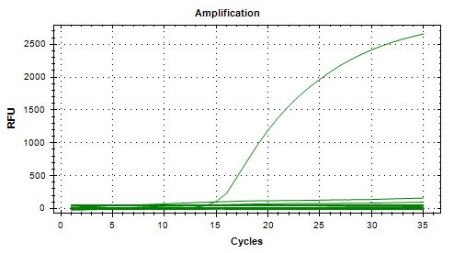
Reading : | 2024-09-20 |  |  |  |  |  |  |  | Unspiked | 0 | 5 | 0 | 0 |  | Specificity | 100% |  |  |  |  |  |  |  |  |  |  |  |  |  |  |  |  | Note 3 : only few colonies on Rainbow for yogurt samples compared to the samples from kefir where a considerable number of colonies were observed
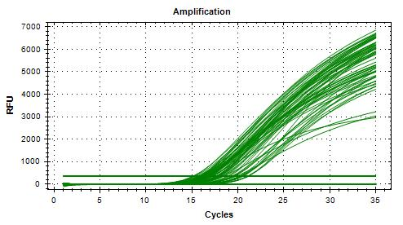
Volume / plate : | 100 µL |  |  |  |  |  |  |  | Spiked | 14 | 6 | 0 | 0 |  | FN rate | 0%
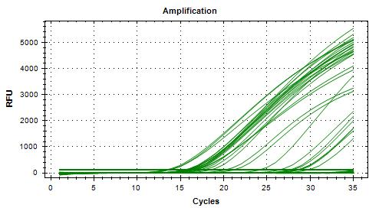
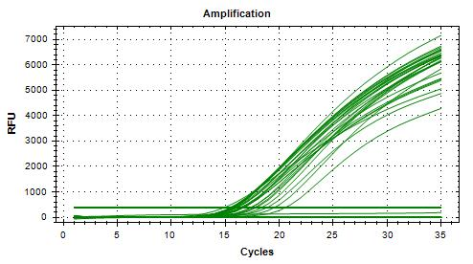
 |  |  |  |  |  |  |  |  |  | 14 | 11 | 0 | 0 |  | FP rate | 0%
Dilution | Rep 1 | Rep 2 | CFU/mL |  |  |  |  |  |  |  |  |  |  |  | Agreement | 100%
1.0E-04 | > 300 | > 300 | 6200
1.0E-05 | 72 | 52 | 620 | >> 1.6 mL + 8.4 mL H2Op = 10 CFU/100 µL
1.0E-06 | 12 | 3 | 62 |  |  |  |  |  | Isolation | TP | TN | FP | FN |  | Sensitivity | 100%
Dilution in bold used for calculations |  |  |  |  |  |  |  |  | Unspiked | 0 | 5 | 0 | 0 |  | Specificity | 100%
 |  |  |  |  |  |  |  |  | Spiked | 14 | 6 | 0 | 0 |  | FN rate | 0%
 |  |  |  |  |  |  |  |  |  | 14 | 11 | 0 | 0 |  | FP rate | 0%
 |  |  |  |  |  |  |  |  |  |  |  |  |  |  | Agreement | 100%

VERIFICATION OF FINAL INOCULUM |  |  |  |  |  |  |  |  |  |  |  |  |  |  |  |  |  |  |  |  |  |  |  |  |  |  |  |  |  |  |  |  |  |  |  |  |  |  |  |  |  |  |  |  |  |  |  |  |  |  |  |  |  |  |  |  |  |  |  |  |  |  |  |  |  |  |  | 20240926_143848_CT036336_VT et CF
VTEC E. coli BMH-19-0006 |  |  | CFU/plate |  |  |  |  |  |  |  |  |  |  |  |  |  |  |  |  |  |  |  | 20240924_122311_CT036336_VT et CF |  |  |  |  |  |  |  |  |  | 20240925_113631_CT036336_VT et CF |  |  |  |  |  |  |  |  |  |  |  |  | 20240926_110604_CT036336_VT et CF
Plating (TSA) : | 2024-09-20 |  | 5 | 12 | 9 | 16 | Mean : | 9.9 | << Actual spiking level (target)
Reading : | 2024-09-21 |  | 14 | 13 | 12 | 7 | POS : | 20 | << 100%
Volume / plate : | 100 µL |  | 5 | 10 | 6 | 7 | NEG : | 0 | << 0%
 |  |  | 11 | 12 | 9 | 8
 |  |  | 11 | 12 | 7 | 12

BACKGROUND MICROFLORA (MFHPB-18)
Liberté Classique Strawberry yogurt (new container)
Plating (PCA) : | 2024-09-23
Reading : | 2024-09-25
Volume / plate : | 1 mL

Dilution | Rep 1 | Rep 2 | CFU/g
1.0E-01 | TNTC | TNTC
1.0E-02 | TNTC | TNTC
1.0E-03 | TNTC | TNTC
1.0E-04 | TNTC | TNTC
1.0E-05 | TNTC | TNTC
1.0E-06 | 241 | 223 | 2.3E+08
1.0E-07 | 25 | 23
Dilution in bold used for calculations

Saugeen Country Organic Kefir (same container as previous run, re-plated)
Plating (PCA) : | 2024-09-23
Reading : | 2024-09-25
Volume / plate : | 1 mL

Dilution | Rep 1 | Rep 2 | CFU/g
1.0E-01 | TNTC | TNTC
1.0E-02 | 106 | 109 | 1.1E+04
1.0E-03 | 7 | 8
1.0E-04 | 3 | 3
1.0E-05 | 0 | 0
1.0E-06 | 0 | 0
1.0E-07 | 0 | 0
Dilution in bold used for calculations

Kefir = same container as previous run

